Sheet1
Defect ID | TestCase ID | Defect description | Priority | Defect Type(Frontend/Backend) | Comments/ Reasons | Screenshots
DF001 | TC003 | User can able to signup an account using invalid data | P0 | Backend
DF002 | TC011 | User cannot able find all the details | P2 | Backend
DF003 | TC012 | User cannot able to view resume/portfolio properly | P1 | Frontend | Scroll button is missing , user cannot able to scroll the page
DF004 | TC013 | Unable to change resume/portfolio | P1 | Frontend | Save changes button not working | 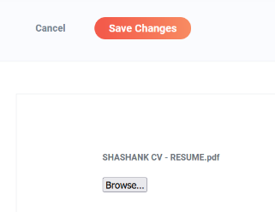
DF005 | TC019 | User unable to get new notifications | P1 | Backend
DF006 | TC020 | User cannot able to apply for jobs | P0 | Frontend | Missing apply button and scroll bar | 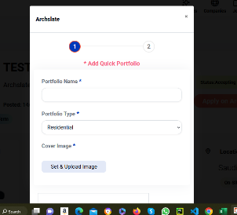
DF007 | TC021 | User cannot able to apply all filters | P1 | Frontend | The annual and monthly buttons not working.
DF008 | TC023 | Searched companies were not found | P2 | Backend
DF009 | TC024 | Users unable to follow the companies | P1 | Frontend | Follow button not working
DF010 | TC025 | User interface error | P3 | Frontend | It should show candidates , its showing recommended jobs | 